Design Summary
 |  |  |  | OSTP Design Summary Worksheet

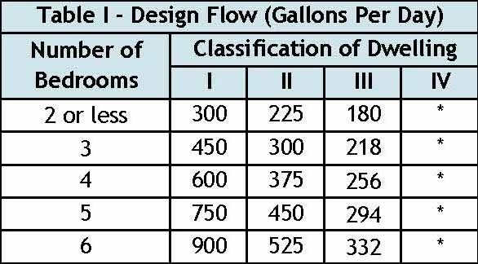
Property Owner/Client: |  |  |  |  |  |  |  |  |  |  |  |  |  | Project ID: |  |  |  | v 04.20.2016

Site Address: |  |  |  |  |  |  |  |  |  |  |  |  |  | Date:

1. | DESIGN FLOW, STRENGTH OF WASTE, AND TANKS |  |  |  |  |  |  |  |  |  |  |  |  |  |  |  |  |  |  |  |  |  | * Flows for Classification IV dwellings are 60 percent of the values as determined for Classification I, II or III systems.

A. | Design Flow: |  |  |  | Gallons Per Day (GPD) |  |  |  |  | Number of Bedrooms (Residential):

 | Type of Wastewater: |  |  |  |  |  | Treatment Level: |  |  |  |  |  | Nutrients:
7 1050
8 1200
9 1350
 | Commercial (select method and provide data): |  |  |  |  |  |  |  |  |  |  | GPD |  |  |  |  |  | GPD
B. | Septic Tanks:
 | Minimum Code Required Septic Tank Capacity (Dwellings): |  |  |  |  |  |  |  |  |  |  | Gallons, in |  |  |  | Tanks or Compartments

multiple compartments or tanks
 | Minimum Septic Tank Capacity for Other Establishments = Design Flow X 3.0 if received by gravity or 4.0 if received by pressure

 | Waste received by: |  |  |  |  |  |  |  |  | GPD | X |  |  | = |  |  |  | Gallons

 | Recommended Septic Tank Capacity: |  |  |  |  |  |  |  |  | Gallons, in |  |  |  | Tanks or Compartments

 | Effluent Screen & Alarm: |  |  |  |  |  |  |  | Effluent Screen Manufacturer/Model:

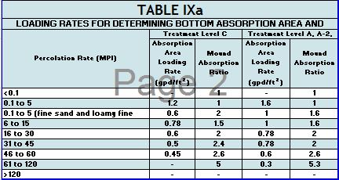
C. | Holding Tanks Only: |  |  | Minimum Capacity: Residential =400 gal/bedroom, Other Establishment = Design Flow x 5.0, Minimum size 1000 gallons
 | Minimum Code Required Capacity: |  |  |  |  |  |  | Gallons, in |  |  |  | Tanks |  | Type of High Level Alarm:

 | Designer Recommended Capacity: |  |  |  |  |  |  | Gallons, in |  |  |  | Tanks

D. | Pump Tank 1 Capacity (Code Minimum): |  |  |  |  |  |  | Gallons |  | Pump Tank 2 Capacity (Code Minimum): |  |  |  |  |  |  |  | Gallons

 | Pump Tank 1 Capacity (Designer Rec): |  |  |  |  |  |  | Gallons |  | Pump Tank 2 Capacity (Designer Rec): |  |  |  |  |  |  |  | Gallons

 | Pump 1 |  |  | GPM | Total Head |  |  |  | ft | Pump 2 |  |  | GPM | Total Head |  |  |  | ft

 | Supply Pipe Dia. |  |  | in | Dose Volume: |  |  |  | gal | Supply Pipe Dia. |  |  |  |  | in Dose Volume: |  |  |  | gal

2. | SYSTEM AND DISTRIBUTION TYPE |  |  |  |  |  |  |  |  |  |  |  |  |  |  |  |  |  |  | `

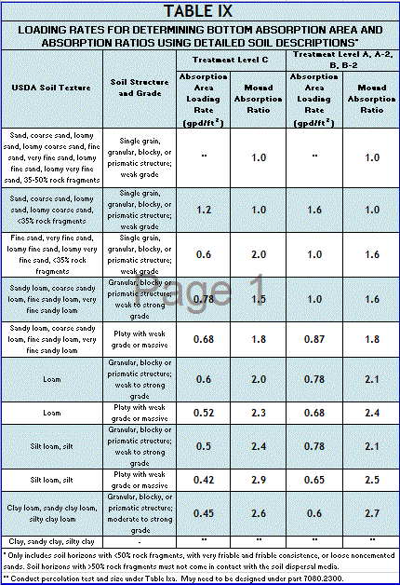
 | Soil Treatment Area Type: |  |  |  |  |  |  |  | Distribution Type: |  |  |  |  |  |  |  |  |  |  |  |  | 0 |  | 0

 | Benchmark Reference Elevation: |  |  |  |  |  | ft |  |  | Benchmark Location:

 | MPCA Type: |  | Type I |  |  |  |  | Type of Distribution Media:

 | Comments:

3. | SITE EVALUATION:

A. |  |  |  | Depth to Limiting Layer: |  |  | in |  | ft | G. |  |  |  | Soil Texture: |  |  |  |  |  | 0

B. |  |  |  | Elevation of Limiting Layer: |  |  |  |  |  | H. |  |  |  | Soil Hyd. Loading Rate: |  |  | GPD/ft2

C. | Loc. of Restricive Elevation: |  |  |  |  |  |  |  |  | I. |  |  |  | Perc Rate: |  |  | MPI

D. |  |  |  | Minimum Required Separation: |  |  | in |  | ft | J. | Soil with >35% Rock Fragments Present?
 |  |  |  |  |  |  |  |  |  | If yes describe below: % rock and layer thickness, amount of soil credit and any additonal information for adressing the rock fragments in this design.
E. | Code Maximum Depth of System: |  |  |  |  |  |  | in

F. |  |  |  | Measured Land Slope %: |  |  | %

 | Comments:

4. | DESIGN SUMMARY

Trench Design Summary

 | Dispersal Area |  |  |  |  | ft2 | Sidewall Depth |  |  |  |  | in |  |  | Trench Width |  |  |  | ft

 | Total Lineal Feet |  |  |  |  | ft | Number of Trenches |  |  |  |  |  | Code Maximum Trench Depth |  |  |  |  |  | in

 |  |  | Contour Loading Rate |  |  | ft | Min Trench Length |  |  |  |  | ft |  |  |  | Designer's Max Trench Depth |  |  | in

Bed Design Summary

 | Absorption Area |  |  |  |  | ft2 | Depth of sidewall |  |  |  |  | in | Code Maximum Bed Depth |  |  |  |  |  | in

 | Bed Width |  |  |  |  | ft |  | Bed Length |  |  |  | ft | Designer's Max Bed Depth |  |  |  |  |  | in

Mound Design Summary

 | Absorption Bed Area |  |  |  |  | ft2 |  | Bed Length |  |  |  | ft |  | Bed Width |  |  |  | ft

 | Absorption Width |  |  |  |  | ft | Clean Sand Lift |  |  |  |  | ft | Berm Width (0-1%) |  |  |  |  | ft

 | Upslope Berm Width |  |  |  |  | ft Downslope Berm Width |  |  |  |  |  | ft | Endslope Berm Width |  |  |  |  | ft

 | Total System Length |  |  |  |  | ft | Total System Width |  |  |  |  | ft |  |  | Contour Loading Rate |  |  | gal/ft

At-Grade Design Summary

 | Absorption Bed Width |  |  |  |  | ft | Absorption Bed Length |  |  |  |  | ft |  | System Finished Height |  |  |  |  | ft

 |  |  | Contour Loading Rate |  |  | gal/ft | Upslope Berm Width |  |  |  |  | ft | Downslope Berm Width |  |  |  |  |  | ft

 | Endslope Berm Width |  |  |  |  | ft | System Length |  |  |  |  | ft |  | System Width |  |  |  |  | ft

Level & Equal Pressure Distribution Summary

No. of Perforated Laterals |  |  |  |  |  |  | Perforation Spacing |  |  |  |  | ft |  | Perforation Diameter |  |  |  |  | in

 | Lateral Diameter |  |  |  |  | in |  |  | Min. Delivered Volume |  |  | gal |  |  |  | Maximum Delivered Volume |  |  | gal

Non-Level and Unequal Pressure Distribution Summary

 |  | Elevation (ft) | Pipe Size (in) |  | Pipe Volume (gal/ft) |  | Pipe Length (ft) |  | Perforation Size (in) |  | Spacing (ft) |  | Spacing (in)

Lateral 1 |  |  |  |  |  |  |  |  |  |  |  |  |  |  | Minimum Delivered Volume
Lateral 2 |  |  |  |  |  |  |  |  |  |  |  |  |  |  |  |  |  | gal
Lateral 3
Lateral 4 |  |  |  |  |  |  |  |  |  |  |  |  |  |  | Maximum Delivered Volume
Lateral 5 |  |  |  |  |  |  |  |  |  |  |  |  |  |  |  |  |  | gal
Lateral 6

5. | Additional Info for Type IV/Pretreatment Design

A. | Calculate the organic loading

1. | Organic Loading to Pretreatment Unit = Design Flow X Estimated BOD in mg/L in the effluent X 8.35 ÷ 1,000,000

 |  |  | gpd X |  |  |  | mg/L X 8.35 ÷ 1,000,000 = |  |  |  |  |  | lbs BOD/day

2. | Type of Pretreatment Unit Being Installed:

3. | Calculate Soil Treatment System Organic Loading: BOD concentration after pretreatment ÷ Bottom Area = lbs/day/ft2

 |  |  | mg/L X 8.35 ÷ 1,000,000 ÷ |  |  |  |  |  | ft2 = |  |  | lbs/day/ft2

Comments/Special Design Considerations:

 |  | I hereby certify that I have completed this work in accordance with all applicable ordinances, rules and laws.

 | (Designer) |  |  |  |  |  | (Signature) |  |  |  |  | (License #) |  |  |  | (Date)

 |  |  |  |  |  |  |  |  |  |  |  |  |  |  |  |  |  |  |  |  | Yes

Mound <1%
 |  |  |  | OSTP Mound Design Worksheet <1% Slope
1. |  | SYSTEM SIZING: |  |  |  |  |  | Project ID: |  |  |  |  |  |  | v 04.20.2016

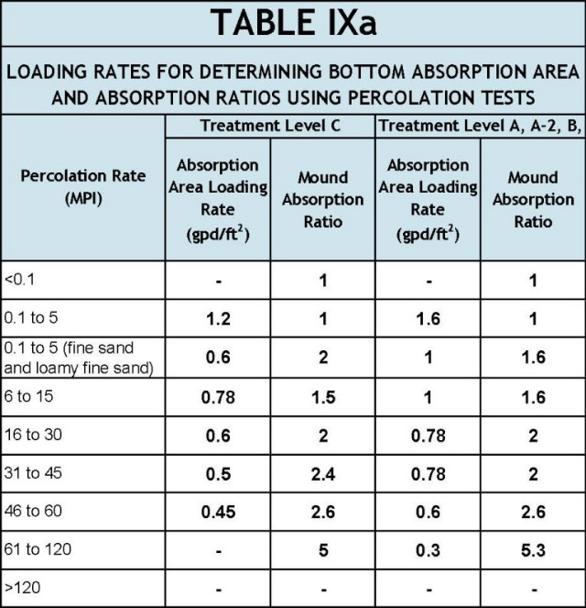
 | A. | Design Flow : |  |  |  |  |  |  | GPD

 | B. | Soil Loading Rate: |  |  |  |  |  |  | GPD/ft2

 | C. | Depth to Limiting Condition: |  |  |  |  |  |  | ft

 | D. | Percent Land Slope: |  |  |  |  |  |  | %

 | E. | Design Media Loading Rate: 1.2 |  |  |  |  |  |  | GPD/ft2

 | F. | Mound Absorption Ratio:

0.24

 |  |  |  |  |  |  |  |  |  | *Systems with these values are not Type I systems. Contour Loading Rate (linear loading rate) is a recommended value.

2. |  | DISPERSAL MEDIA SIZING

 | A. | Calculate Dispersal Bed Area: Design Flow (1.A) ÷ Design Media Loading Rate (1.E) = ft2
 |  |  |  |  | GPD ÷ |  |  |  | GPD/ft2 = |  |  |  | ft2

 | If a larger dispersal media area is desired, enter size: |  |  |  |  |  |  |  |  |  |  |  | ft2

 | B. | Enter Dispersal Bed Width: |  |  |  |  |  |  | ft | Maximum: Rock bed 10 ft chambers 9 ft
 | C. | Calculate Contour Loading Rate: Bed Width (2.B) X Design Media Loading Rate (1.E)
 |  |  |  |  | ft2 X |  |  | GPD/ft2 = |  |  |  | gal/ft |  | Can not exceed Table 1
 | D. | Calculate Minimum Dispersal Bed Length: Dispersal Bed Area (2.A) ÷ Bed Width (2.B) = Bed Length
 |  |  |  |  | ft2 ÷ |  |  | ft = |  |  | ft

3. |  | ABSORPTION AREA SIZING

 | A. | Calculate Absorption Width: Bed Width (2.B) X Mound Absorption Ratio (1.F) = Absorption Width
 |  |  |  |  | ft X |  |  | = |  |  | ft

 | B. | For slopes from 0 to 1%, the Absorption Width is measured from the bed equally in both directions.
 |  | Absorption Width Beyond the Bed: Absorption Width (3.A) - Bed Width (2.B) ÷ 2 = Width beyond Bed
 |  | ( |  |  | ft - |  |  | ft) ÷ | 2 | = |  |  | ft

4. |  | DISTRIBUTION MEDIA:

 | A. | Rock Media Depth Below Distribution Pipe

 |  |  |  | ft |  |  | estimated volume of rock on mound materials page

5. |  | DISTRIBUTION MEDIA: REGISTERED TREATMENT PRODUCTS: CHAMBERS AND EZFLOW

 | A. | Enter Dispersal Media:

 | B. | Enter the Component: Length: |  |  |  |  |  |  | ft Width: |  |  |  | ft Depth: |  |  | ft

 | C. | Number of Components per Row = Bed Length divided by Component Length (Round up)
 |  |  |  |  | ft ÷ |  |  | ft = |  |  | components/row

 | D. | Actual Bed Length = Number of Components/row X Component Length:
 |  |  |  |  | components |  | X |  |  | ft = |  |  |  | ft

 | E. | Number of Rows = Bed Width divided by Component Width
 |  |  |  |  | ft ÷ |  |  | ft = |  |  | rows | Adjust width so this is an whole number.

 | F. | Total Number of Components = Number of Components per Row X Number of Rows
 |  |  |  |  | X |  |  | = |  |  | components

6. |  | MOUND SIZING

 | A. | Calculate Clean Sand Lift: 3 feet minus Depth to Limiting Condition = Clean Sand Lift (1 ft minimum)

 |  | 3.0 | ft - |  |  | ft = |  |  | ft | Design Sand Lift (optional): |  |  |  |  |  | ft

 | B. | Upslope Mound Height = Clean Sand Lift + Depth of Media + Depth of Cover (1 ft)
 |  |  |  | ft + |  |  | ft + | 1.0 |  | ft = |  |  | ft

 | C. | Berm Width = Upslope Mound Height (4.B) X (4 is recommended, but could be 3-12)
 |  |  |  | ft X |  |  | ft = |  |  | ft

 | D. | Total Landscape Width = Berm Width + Dispersal Bed Width + Berm Width
 |  |  |  | ft + |  |  | ft + |  |  | ft = |  |  | ft

 | E. | Additional Berm Width necessary for absorption - Absorption Width - Total Landscape Width
 |  |  |  | ft - |  |  | ft = |  |  | ft | if number is negative (<0), value is ZERO

 | F. | Final Berm Width = Additional Berm Width + Berm Width
 |  |  |  | ft + |  |  | ft = |  |  | ft

 | G. | Total Mound Width = Final Berm Width + Dispersal Bed Width + Final Berm Width
 |  |  |  | ft + |  |  | ft + |  |  | ft = |  |  | ft

 | H. | Total Mound Length = Final Berm Width + Dispersal Bed Length + Final Berm Width
 |  |  |  | ft + |  |  | ft + |  |  | ft = |  |  | ft

 | I. | Setbacks from the Bed: Absorption Width - Dispersal Bed Width divided by 2
 | ( |  |  | ft - |  |  | ) / | 2 | = |  |  | ft

7. |  | MOUND DIMENSIONS
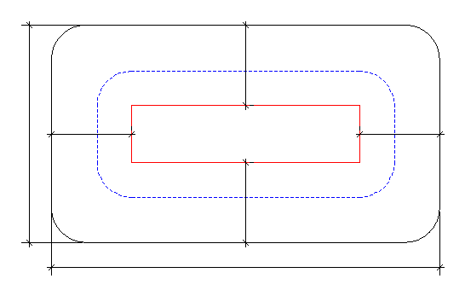

Total Mound Width
Upslope

Endslope
Endslope
Dispersal Bed
X

Downslope

Total Mound Length

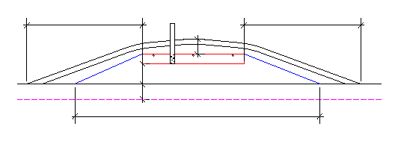
4" inspection pipe
18" cover on top

Upslope berm
Downslope berm

Clean sand lift (6.A)

Depth to Limiting
Limiting Condition

Absorption Width

 | Comments:

Mound >1%
 |  |  |  | OSTP Mound Design Worksheet >1% Slope
1. |  | SYSTEM SIZING: |  |  |  |  |  | Project ID: |  |  |  |  |  |  |  |  |  | v 04.20.2016

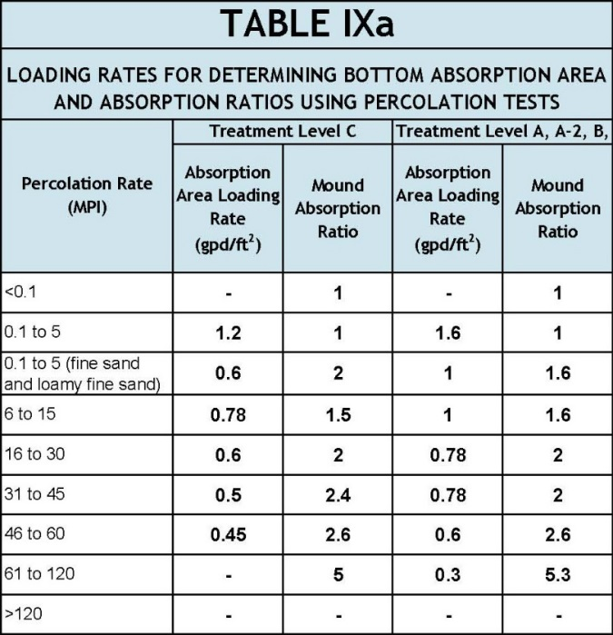
 | A. | Design Flow: |  |  |  |  |  |  | GPD

 | B. | Soil Loading Rate: |  |  |  |  |  |  | GPD/ft2

 | C. | Depth to Limiting Condition: |  |  |  |  |  |  | ft

 | D. | Percent Land Slope: |  |  |  |  |  |  | %

 | E. | Design Media Loading Rate: 1.2 |  |  |  |  |  |  | GPD/ft2

 | F. | Mound Absorption Ratio:

0.24

 |  |  |  |  |  |  |  |  |  | *Systems with these values are not Type I systems. Contour Loading Rate (linear loading rate) is a recommended value.

2. |  | DISPERSAL MEDIA SIZING
 | A. | Calculate Dispersal Bed Area: Design Flow ÷ Design Media Loading Rate = ft2
 |  |  |  |  | GPD ÷ |  |  |  | GPD/ft2 = |  |  |  | ft2

 | If a larger dispersal media area is desired, enter size: |  |  |  |  |  |  |  |  |  |  |  | ft2
 | B. | Enter Dispersal Bed Width: |  |  |  |  |  |  | ft | Maximum: Rock bed 10 ft chambers 9 ft
 | C. | Calculate Contour Loading Rate: Bed Width X Design Media Loading Rate
 |  |  |  |  | ft2 X |  |  | GPD/ft2 = |  |  |  | gal/ft |  | Can not exceed Table 1
 | D. | Calculate Minimum Dispersal Bed Length: Dispersal Bed Area ÷ Bed Width = Bed Length
 |  |  |  |  | ft2 ÷ |  |  | ft = |  |  | ft

3. |  | ABSORPTION AREA SIZING

 | A. | Calculate Absorption Width: Bed Width X Mound Absorption Ratio = Absorption Width
 |  |  |  |  | ft X |  |  | = |  |  | ft

 | B. | For slopes >1%, the Absorption Width is measured downhill from the upslope edge of the Bed.
 |  | Calculate Downslope Absorption Width: Absorption Width - Bed Width
 |  |  |  |  |  |  |  |  | ft - |  |  | ft = |  |  | ft

4. |  | DISTRIBUTION MEDIA: ROCK

 | A. | Rock Media Depth Below Distribution Pipe

 |  |  |  | ft |  |  |  | estimated volume of rock on mound materials page

5. |  | DISTRIBUTION MEDIA: REGISTERED TREATMENT PRODUCTS: CHAMBERS AND EZFLOW

 | A. | Enter Dispersal Media:

 | B. | Enter the Component: Length: |  |  |  |  |  |  | ft | Width: |  |  |  | ft Depth: |  |  |  | ft
 | C. | Number of Components per Row = Bed Length divided by Component Length (Round up)
 |  |  |  |  | ft ÷ |  |  | ft = |  |  | components/row
 | D. | Actual Bed Length = Number of Components/row X Component Length:
 |  |  |  |  | components |  | X |  |  | ft = |  |  |  | ft
 | E. | Number of Rows = Bed Width divided by Component Width (Round up)
 |  |  |  |  | ft ÷ |  |  | ft = |  |  | rows | Adjust width so this is an whole number.
 | F. | Total Number of Components = Number of Components per Row X Number of Rows
 |  |  |  |  | X |  |  | = |  |  | components

6. |  | MOUND SIZING
 | A. | Calculate Minimum Clean Sand Lift: 3 feet minus Depth to Limiting Condition = Clean Sand Lift
 |  | 3.0 | ft - |  |  | ft = |  |  | ft | Design Sand Lift (optional): |  |  |  |  |  |  | ft
 | B. | Calculate Upslope Height: Clean Sand Lift + media depth + cover (1 ft.) = Upslope Height
 |  |  |  | ft + |  | ft + |  |  | ft = |  |  | ft

 | C. | Select Upslope Berm Multiplier (based on land slope):

 | D. | Calculate Upslope Berm Width: Multiplier X Upslope Mound Height = Upslope Berm Width
 |  |  |  |  |  |  |  |  | ft X |  |  | ft = |  |  | ft
 | E. | Calculate Drop in Elevation Under Bed: Bed Width X Land Slope ÷ 100 = Drop (ft)
 |  |  |  |  |  |  |  |  | ft X |  |  | % ÷ 100 = |  |  |  | ft
 | F. | Calculate Downslope Mound Height: Upslope Height + Drop in Elevation = Downslope Height
 |  |  |  |  |  |  |  |  | ft + |  |  | ft = |  |  | ft

 | G. | Select Downslope Berm Multiplier (based on land slope):

 | H. | Calculate Downslope Berm Width: Multiplier X Downslope Height = Downslope Berm Width
 |  |  |  |  |  |  |  |  | x |  |  | ft = |  |  | ft
 | I. | Calculate Minimum Berm to Cover Absorption Area: Downslope Absorption Width + 4 feet
 |  |  |  |  |  |  |  |  | ft + |  |  | ft = |  |  | ft

 | J. | Design Downslope Berm = greater of 4H and 4I: |  |  |  |  |  |  |  |  |  | ft

 | K. | Select Endslope Berm Multiplier: |  |  |  |  |  |  |  |  |  |  |  | (usually 3.0 or 4.0)
 | L. | Calculate Endslope Berm X Downslope Mound Height = Endslope Berm Width
...

At-Grade
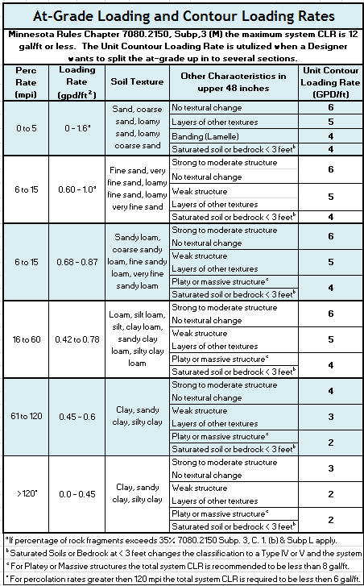
...
Project ID: |  |  |  | v 04.20.2016
...
C. | % Land Slope: |  |  | %
...
D. | Contour Loading Rate: |  |  | GPD/ft
 |  | Cannot exceed 15 feet
GPD/ft = |  |  | ft
...
GPD/ft = |  |  | ft
...
 |  |  | ft2
...
 |  | ft
1 foot required cover
...
ft = |  | ft
...
ft ) + 5 ft = |  |  |  | ft

 |  |  | ft
...
ft = |  | ft
...

Pres. Dist.
...
 |  |  |  |  |  |  |  | Total Number of Perf.
...
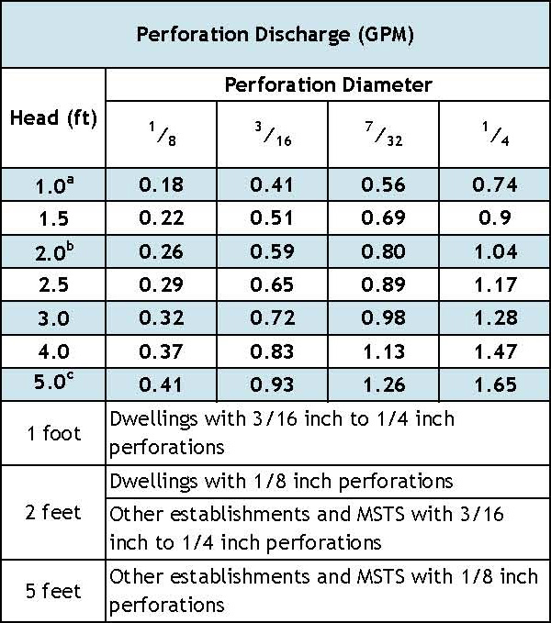
...
 |  |  |  |  |  | ft2/perforations

 |  |  |  | ft

 |  |  |  |  |  |  | GPM per Perforation
...
 |  |  |  |  |  |  | GPM

 |  |  |  |  |  |  | Gallons/ft

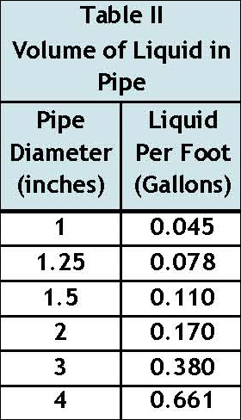
17. | Volume of Distribution Piping =
 | = [Number of Perforated Laterals X Length of Laterals X (Volume of Liquid Per Foot of Distribution Piping]

 |  | X | ft X |  | gal/ft = |  | Gallons

18. | Minimum Delivered Volume = Volume of Distribution Piping X 4

 |  | gals X 4 = |  | Gallons

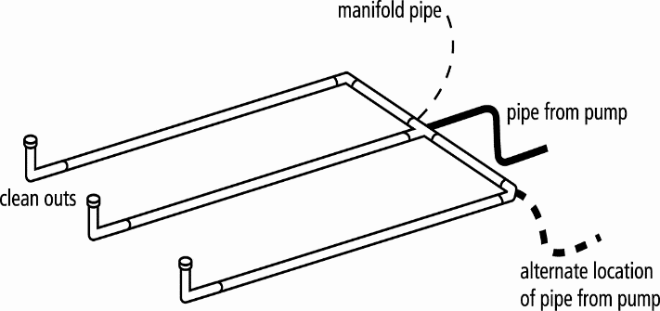
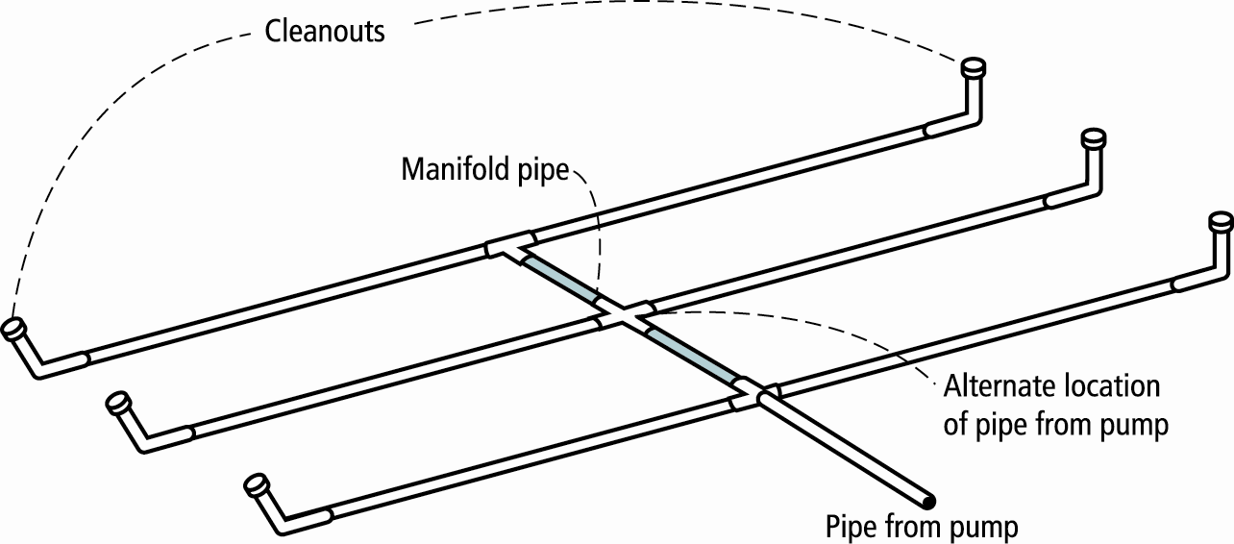

Comments/Special Design Considerations:

Non-Level Pres. Dist.
...
+ |  | = |  |  | Total GPM
...
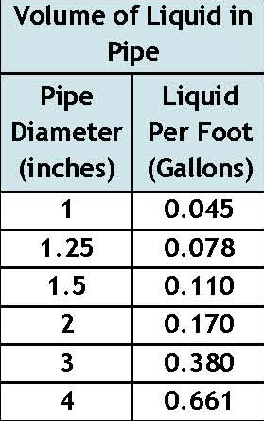
...
 | Perforation Size (in) |  | Spacing (ft)

 |  |  | ft | in
 |  |  |  |  | Highest
...
 |  |  |  |  | Lowest
...

Pump-Basic (1)
 |  | OSTP Basic Pump Selection Design Worksheet
 |  |  |  |  | Project ID: |  |  | v 04.20.2016
...
 |  |  |  |  |  | GPM | (10 - 45 gpm)

 |  |  |  |  |  | GPM
...
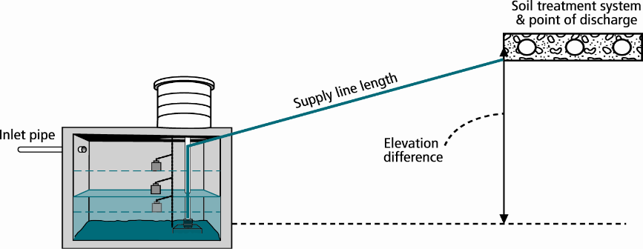
2. HEAD REQUIREMENTS

A. | Elevation Difference |  |  | ft
 | between pump and point of discharge:

B. | Distribution Head Loss: |  |  | ft

C. | Additional Head Loss: | 0 |  | ft (due to special equipment, etc.)

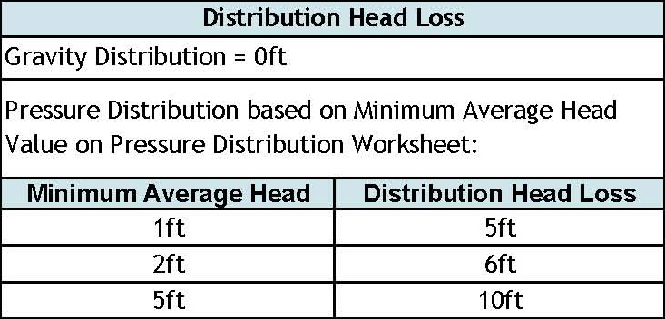

D. | 1. Supply Pipe Diameter: |  |  | in

 | 2. Supply Pipe Length: |  |  | ft

E. | Friction Loss in Plastic Pipe per 100ft from Table I:

 | Friction Loss = |  | ft per 100ft of pipe

F. | Determine Equivalent Pipe Length from pump discharge to soil dispersal area discharge point. Estimate by adding 25% to supply pipe length for fitting loss. Supply Pipe Length (D.2) X 1.25 = Equivalent Pipe Length
...

Pump Tank (1) Demand Dose
Width
Length
Radius
...
 |  |  |  |  |  |  |  |  | ft | = |  | ft2
...
 |  |  |  |  |  |  |  | 2 | ft | = |  | ft2
...
 |  |  |  |  |  |  | 7.5 gal/ft3 ÷ 12 in/ft |  |  |  | = |  | Gallons per inch
...
 |  |  |  |  |  |  |  |  |  |  |  |  | in
...
 |  |  |  |  |  |  | 0.0 |  | Gallons Per Inch = |  |  |  | Gallons
...
 | Gallons/ft
 | Gallons
...
 | Gallons/ft
Gallons
...
 | Gallons/ft
 | Gallons
...
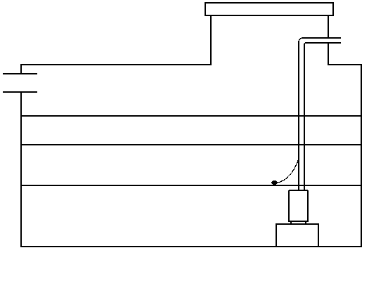
 |  | Inches
 |  |  | Inches for Dose: |  | in
...
 | Inches |  | Alarm Depth |  | in
 |  |  | Pump On |  | in | Gal
 | Inches |  | Pump Off | 0.0 | in | Gal
 |  |  |  |  |  | Gal
 | Inches

Pump-Tank (1) Time Dose
Width
Length
Radius
...
 |  | ft | = |  | ft2
...
 | 2 | ft | = |  | ft2
...
7.5 gal/ft3 ÷ 12 in/ft |  |  |  | = |  | Gallons per inch
...
 |  |  |  |  |  | in
...
 |  | Gallons Per Inch = |  |  |  | Gallons
...

Pump Tank (2) Demand Dose
...
Width
Length
Radius
...
 |  | ft | = |  | ft2
...
 | 2 | ft | = |  | ft2
...
7.5 gal/ft3 ÷ 12 in/ft |  |  |  | = |  | Gallons per inch
...
 |  |  |  |  |  | in
...
0.0 |  | Gallons Per Inch = |  |  |  | Gallons
...

Pump Tank (2) Time Dose
...
Width
Length
Radius
...
 |  | ft | = |  | ft2
...
 | 2 | ft | = |  | ft2
...
7.5 gal/ft3 ÷ 12 in/ft |  |  |  | = |  | Gallons per inch
...
 |  |  |  |  |  | in
...
 |  | Gallons Per Inch = |  |  |  | Gallons
...

Pump-Collection
...
 | ft
...
 | in

 | ft

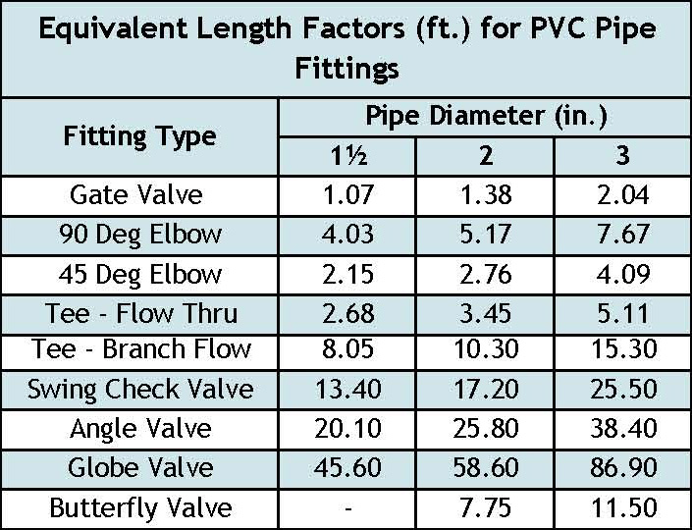
...
 | Equivalent Length Factor |  | Equivalent Length (ft)

X |  | =
X |  | =
X |  | =
X |  | =
X |  | =
X |  | = |  | Hazen-Williams Equation for h
X |  | =
X |  | =
X |  | =
X |  | = |  | Q in gpm |  | L in feet | D in inches | C = 130
X |  | =

 |  |  |  |  | NOTE: System installer should contact system designer if the number of fittings varies from the design to the actual installation.
...

